FA
We get the output of the factor method to leave the multicollinear variables and get the variables causing the variance in the dataset

The FACTOR Procedure

Input Data Type | Raw Data
Number of Records Read | 8950
Number of Records Used | 8950
N for Significance Tests | 8950

The FACTOR Procedure
Initial Factor Method: Principal Components

Prior Communality Estimates: ONE

Eigenvalues of the Correlation Matrix: Total = 17 Average = 1
 | Eigenvalue | Difference | Proportion | Cumulative
1 | 5.23639441 | 1.22676869 | 0.308 | 0.308 | From the cumulative percentage of eigen value or variance we understand that we need aroung 7 factors to get the dimension reduction of the dataset .
2 | 4.00962572 | 2.49883835 | 0.2359 | 0.5439
3 | 1.51078737 | 0.23835515 | 0.0889 | 0.6328
4 | 1.27243222 | 0.21539407 | 0.0748 | 0.7076
5 | 1.05703815 | 0.19340827 | 0.0622 | 0.7698
6 | 0.86362988 | 0.14966835 | 0.0508 | 0.8206
7 | 0.71396153 | 0.13440709 | 0.042 | 0.8626
8 | 0.57955445 | 0.10359908 | 0.0341 | 0.8967
9 | 0.47595536 | 0.09540903 | 0.028 | 0.9247
10 | 0.38054633 | 0.14761581 | 0.0224 | 0.9471
11 | 0.23293052 | 0.00771184 | 0.0137 | 0.9608
12 | 0.22521868 | 0.06270604 | 0.0132 | 0.974
13 | 0.16251264 | 0.02361125 | 0.0096 | 0.9836
14 | 0.13890139 | 0.06249673 | 0.0082 | 0.9917
15 | 0.07640466 | 0.03254725 | 0.0045 | 0.9962
16 | 0.04385741 | 0.02360814 | 0.0026 | 0.9988
17 | 0.02024927 |  | 0.0012 | 1

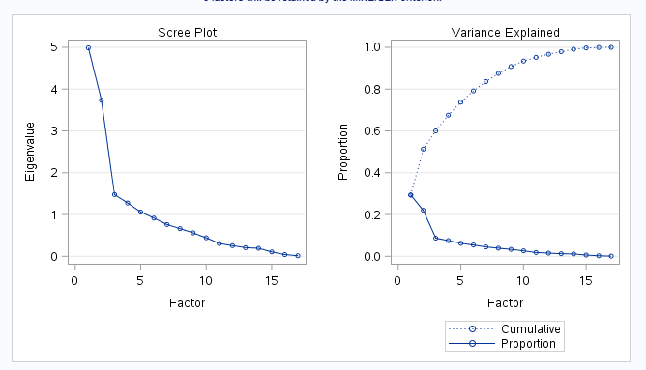

The factor method to understand the variables effecting the variance and the multi collinearity.

The FACTOR Procedure

Rotated Factor Pattern |  |  |  |  |  |  |  | From the factor analysis we select at least one variable from each of the factors
 | Factor1 | Factor2 | Factor3 | Factor4 | Factor5 | Factor6 | Factor7
PURCHASES_INSTALLMENTS_FREQUENCY | 0.93952 | 0.00115 | -0.14488 | -0.02555 | 0.08686 | 0.10583 | 0.00225
INSTALLMENTS_PURCHASES | 0.86541 | 0.2108 | -0.04834 | 0.12853 | 0.05483 | -0.09398 | 0.08534
PURCHASES_FREQUENCY | 0.79515 | 0.30974 | -0.20968 | -0.05036 | 0.1505 | 0.23166 | -0.04837
PURCHASES_TRX | 0.70015 | 0.59576 | -0.06495 | 0.06986 | 0.01337 | 0.0859 | 0.07087
ONEOFF_PURCHASES | 0.14714 | 0.93421 | -0.052 | 0.1076 | -0.00181 | -0.00677 | 0.02054
ONEOFF_PURCHASES_FREQUENCY | 0.10002 | 0.88398 | -0.08448 | 0.01889 | 0.08601 | 0.20581 | -0.0137
PURCHASES | 0.52331 | 0.77596 | -0.0609 | 0.15403 | 0.03079 | -0.06283 | 0.06224
PAYMENTS | 0.21203 | 0.4573 | 0.40039 | 0.3781 | 0.17423 | -0.25617 | 0.23597
CASH_ADVANCE_TRX | -0.11595 | -0.05297 | 0.93133 | 0.12085 | -0.08605 | 0.09445 | -0.0114
CASH_ADVANCE_FREQUENCY | -0.16487 | -0.06359 | 0.91537 | 0.10176 | -0.11256 | 0.12544 | -0.06926
CASH_ADVANCE | -0.12912 | -0.07206 | 0.81953 | 0.35266 | -0.00159 | -0.0451 | -0.05382
BALANCE | -0.02014 | 0.07179 | 0.37594 | 0.79276 | -0.27313 | 0.21979 | 0.00629
CREDIT_LIMIT | 0.02477 | 0.30315 | 0.08777 | 0.75305 | 0.27462 | -0.07877 | 0.07938
MINIMUM_PAYMENTS | 0.11221 | -0.04205 | 0.23883 | 0.74187 | -0.32912 | 0.19044 | 0.0493
PRC_FULL_PAYMENT | 0.19795 | 0.07781 | -0.12975 | -0.12298 | 0.90175 | -0.0356 | -0.01605
BALANCE_FREQUENCY | 0.16216 | 0.12468 | 0.15505 | 0.17248 | -0.04874 | 0.87489 | 0.09913
TENURE | 0.04516 | 0.04567 | -0.09279 | 0.07888 | -0.0184 | 0.08662 | 0.972

